TestSummary
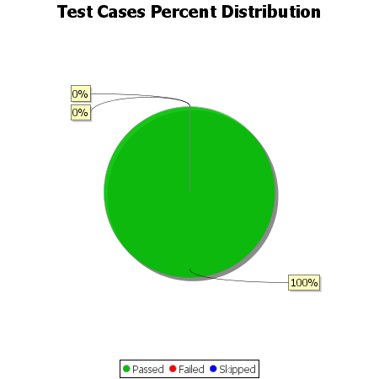
Total Test Cases | 10
Test Cases Passed | 10
Test Cases Failed | 0
Test Cases Skipped | 0

